Home Page
 | Dashboard After Log-in

Philip Attipoe | Epobs
LifeGate Int. School |  |  |  | Create Supplier

 | Home

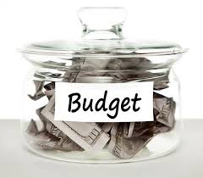
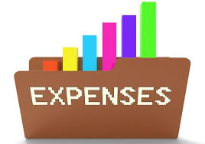


 |  |  |  |  | Budget Category
 |  |  |  |  |  | Revenue Budget
 |  |  |  |  |  | Expenditure Budget

Personal Information | Budget | Expenses | Revenue

